DO NOT DELETE


This template is an exclusive property of Mapua-Malayan Digital College and is protected under Republic Act No. 8293, also known as the Intellectual Property Code of the Philippines (IP Code). It is provided solely for educational purposes within this course. Students may use this template to complete their tasks but may not modify, distribute, sell, upload, or claim ownership of the template itself. Such actions constitute copyright infringement under Sections 172, 177, and 216 of the IP Code and may result in legal consequences. Unauthorized use beyond this course may result in legal or academic consequences. Additionally, students must comply with the Mapua-Malayan Digital College Student Handbook, particularly with the following provisions: * Offenses Related to MMDC IT: - Section 6.2 – Unauthorized copying of files - Section 6.8 – Extraction of protected, copyrighted, and/or confidential information by electronic means using MMDC IT infrastructure * Offenses Related to MMDC Admin, IT, and Operations: - Section 4.5 – Unauthorized collection or extraction of money, checks, or other instruments of monetary equivalent in connection with matters pertaining to MMDC Violations of these policies may result in disciplinary actions ranging from suspension to dismissal, in accordance with the Student Handbook. For permissions or inquiries, please contact MMDC-ISD at isd@mmdc.mcl.edu.ph.

Instructions and Details

MO-IT103 Computer Programming 2
Instructions

#
1 | Fill out the Learner/Group Details below.
2 | In the Class Diagram tab, paste the photo of your class diagram.
3 | In the Class Inventory tab, fill out the necessary details based on your class diagram: Class Name - indicate the class name. Access Modifier - select from the dropdown the access modifier of the class Description - describe briefly what the object the class represents
4 | In the Attribute Inventory tab, fill out the necessary details based on your class diagram: Attribute Name - specify the name of the attribute. Class Name - indicate the name of the class to which the attribute belongs to. Data Type - specify the data type of the attribute based on the given dataset. Access Modifier - select from the dropdown the access modifier of the attribute. Description - Describe the data that the attribute would hold or store in the class.
5 | In the Method Inventory tab, fill out the necessary details based on your class diagram: Method Name - specify the name of the method. Class Name - indicate the name of the class to which the method belongs to. Return Type - specify the return type of the method based on the behavior of the class. Access Modifier - select from the dropdown the access modifier of the method. Description - Describe the actions the method would perform in the class specified.
6 | Remove all instructions in red.

LEARNER / GROUP DETAILS
Group No./Name
Learner/Group Members:

Class Diagram
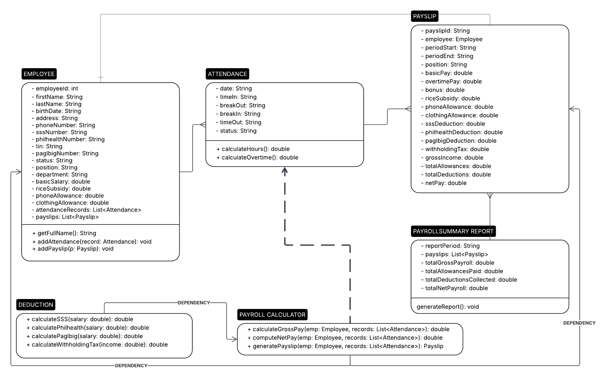
MO-IT103 Computer Programming 2
Class Diagram

